Mandatory
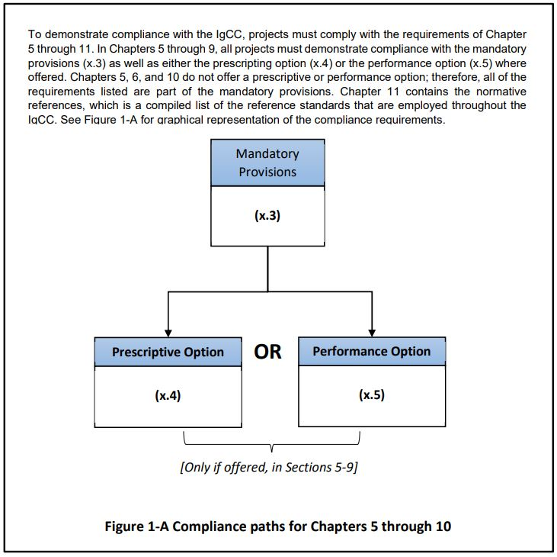

NOTE: Mandatory requirements are listed below. Prescriptive and performance options have their own tabs, respectively.

Sections |  | Description ★ = Mandatory Provisions | Compliance Met? (Y, N or N/A) | Location in Documents | Notes/Comments/Narrative
Chapter 5 - Site Sustainability
501.3 |  | MANDATORY PROVISIONS
501.3.1.1 |  | ALLOWABLE SITES. The building project shall take place in or on one of the following (check all that apply):
 | ★ | a. An existing building envelope.
 |  | b. A brownfield.
 |  | c. A greyfield.
 |  | d. A greenfield that is within 1/2 mi of residential land that is developed, or that has one or more buildings under construction, with an average density of ten dwelling units per acre unless that site is agricultural land or forest land. Proximity is determined by drawing a circle with a 1/2 mi radius around the center of the proposed site.
 |  | e. A greenfield where the proposed building complies with ASTM E2843, unless that site is agricultural land or forest land.
 |  | f. A greenfield where the proposed building complies with ASTM E2844, unless that site is agricultural land or forest land.
 |  | g. A greenfield that is agricultural land, and the purpose of the proposed building is related to the agricultural use of the land.
 |  | h. A greenfield that is forest land, and the purpose of the proposed building is related to the forestry use of the land.
 |  | i. A greenfield that is designated park land, and the purpose of the proposed building is related to the use of the land as a park.
501.3.5 |  | MITIGATION OF HEAT ISLAND EFFECT
501.3.5.1 | ★ | Site Hardscape. At least 50% of the site hardscape that is not covered by solar energy systems shall be provided with one or any combination of the following:
 |  | a. Existing trees and vegetation or new biodiverse plantings of native plants and adapted plants, which shall be planted either prior to the final approval or in accordance with a contract established to require planting no later than 12 months after the final approval so as to provide the required shade no later than ten years after the final approval. The effective shade coverage on the hardscape shall be the arithmetic mean of the shade coverage calculated at 10 a.m., noon, and 3 p.m. on the summer solstice.
 |  | b. Paving materials with a minimum initial solar reflectance index (SRI) of 29. A default SRI value of 35 for new concrete without added color pig­ment is allowed to be used instead of measure­ments.
 |  | c. Open-graded (uniform-sized) aggregate, perme­able pavement, permeable pavers, and porous pavers (open-grid pavers). Permeable pavement and permeable pavers shall have a percolation rate of not less than 2 gal/min-ft2.
 |  | d. Shading through the use of structures, provided that the top surface of the shading structure com­plies with the provisions of Section 501.3.5.3 (Informative Appendix L).
 |  | e. Parking under a building, provided that the roof of the building complies with the provisions of Section 501.3.5.3 (Informative Appendix L).
 |  | f. Buildings or structures that provide shade to the site hardscape. The effective shade coverage on the hardscape shall be the arithmetic mean of the shade coverage calculated at 10 a.m., noon, and 3 p.m. on the summer solstice.
501.3.5.2 | ★ | Walls. Above-grade building walls and retaining walls shall be shaded in accordance with this section. The building is allowed to be rotated up to 45 degrees to the nearest cardinal orientation for pur­poses of calculations and showing compliance. Compliance with this section shall be achieved through the use of shade-providing plants, man-made structures, exist­ing buildings, hillsides, permanent building projec­tions, on-site renewable energy systems, or a combination of these, using the following criteria:
 |  | a. Shade shall be provided on at least 30% of the east and west above-grade walls and retaining walls from grade level to a height of 20 ft above grade, or the top of the exterior wall, whichever is less. Shade coverage shall be calculated at 10 a.m. for the east walls and 3 p.m. for the west walls on the summer solstice.
 |  | b. Where shading is provided by vegetation, such vegetation shall be existing trees and vegetation or new biodiverse plantings of native plants and adapted plants. Such planting shall occur prior to the final approval by the or in accordance with a contract established to require planting no later than 12 months after the final approval so as to provide the required shade no later than ten years after the final approval. Vegetation shall be appropriately sized, selected, planted, and maintained so that it does not inter­fere with overhead or underground utilities. Trees shall be placed a minimum of 5 ft from and within 50 ft of the building or retaining wall.
 |  | Exceptions:
 |  | The requirements of this section are satisfied if 75% or more of the opaque wall surfaces on the east and west have a minimum SRI of 29. Each wall is allowed to be considered separately for this exception.
501.3.5.4 | ★ | Solar reflectance index (SRI) the SRI shall be calculated in accordance with ASTM E1980 for medium-speed wind conditions using a convection coefficient of 2.1 Btu/h ft2 °F for the following conditions:
 |  | a. For materials other than roofs, the SRI shall be based on solar reflectance, as measured in accordance with ASTM E1918 or ASTM C1549, and the thermal emittance, as measured in accordance with ASTM E408 or ASTM C1371. The values for solar reflectance and thermal emittance shall be determined and certified by an independent third party.
 |  | b. For roofing products, the SRI values shall be based on a minimum three-year-aged solar reflectance and thermal emittance, as measured in accordane with CRRC S100, and shall be certified by the manufacturer.
501.3.5.5 | ★ | Vegetated terrace and roofing systems. Vegetated terrace and roofing systems, where provided in accordance with Section 501.3.5.3, shall comply with the following:
 |  | a. All plantings shall be capable of withstanding the microclimate conditions of the vegetated area, including but not limited to wind, precipittion, and temperature. Plants shall be selected and placed to providefoliage coverage of not less than 50% of designed area of vegetation based on the anticipated plant growth within two years of the issuance of the final certificate of occupancy. Construction documents shall be submitted that show the planting location and anticipated two-year foliage coverage of the plantings. Duplicate coverage shall not be credited where multiple plants cover the same area. Invasive plants shall not be planted.
...

